Sputum Collection


Current Last, First Middle | Assigned CI | Original Therapy Start Date | Date Therapy Started | DST Results | Date DST Performed | 60days from Rx Start | Other Specimen Collected (BAL, Gastric aspiration, etc.) | Collect Sputum Set? | Preparation of Requisition Forms | Sputum Collection Set 1 (Day 1) | Sputum Collection Set 1 (Day 2) | Sputum Collection Set 1 (Day 3) | Conversion (Yes/No) | Collect 2nd Sputum Set? | Preparation of Requisition Forms | Sputum Collection Set 2 (Day 1) | Sputum Collection Set 2 (Day 2) | Sputum Collection Set 2 (Day 3)
Copy this row when adding new patients |  |  |  |  |  |  |  |  | n/a
Example: Wilson, Watermelon | Asparagus |  | 07/01/2024 | Pansusceptible | 2024-07-12 | 08/30/2024 |  | Collect sputum | 2024-07-25 | 2024-07-31 | 2024-08-01 | 2024-08-02 |  | Collect sputum | 2024-08-24 | 2024-08-30 | 2024-08-31 | 2024-09-01
 |  |  |  |  |  |  |  |  | n/a
 |  |  |  |  |  |  |  |  | n/a
 |  |  |  |  |  |  |  |  | n/a

Key
Patient has converted
No sputa necessary
Completed/moved/deceased
Patient has not started therapy
Flagged for sputa collection
Cell contains formula- no manual entry needed

Feedback Form
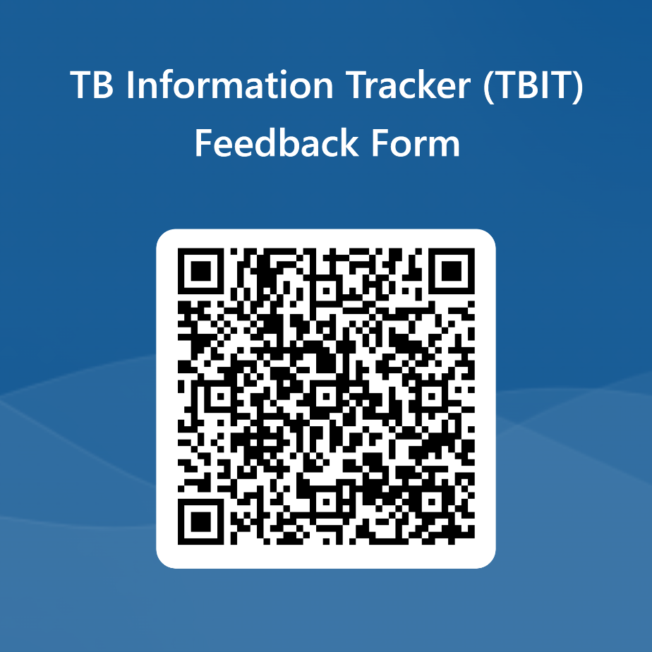
TBIT Feedback Form:
https://forms.office.com/g/WLS5Usz56W

Please complete by October 21st, 2024. If you would like to provide additional feedback, feel free to complete the form again.

